Price Calculation
Price Calculation: RFPCSP-730-UofH-3064 Job Order Contracting Services FY26

Summary for UH, UHD, UHCL
RATIO FORMULA: Points x (Lowest Cost / Bidders Amount)

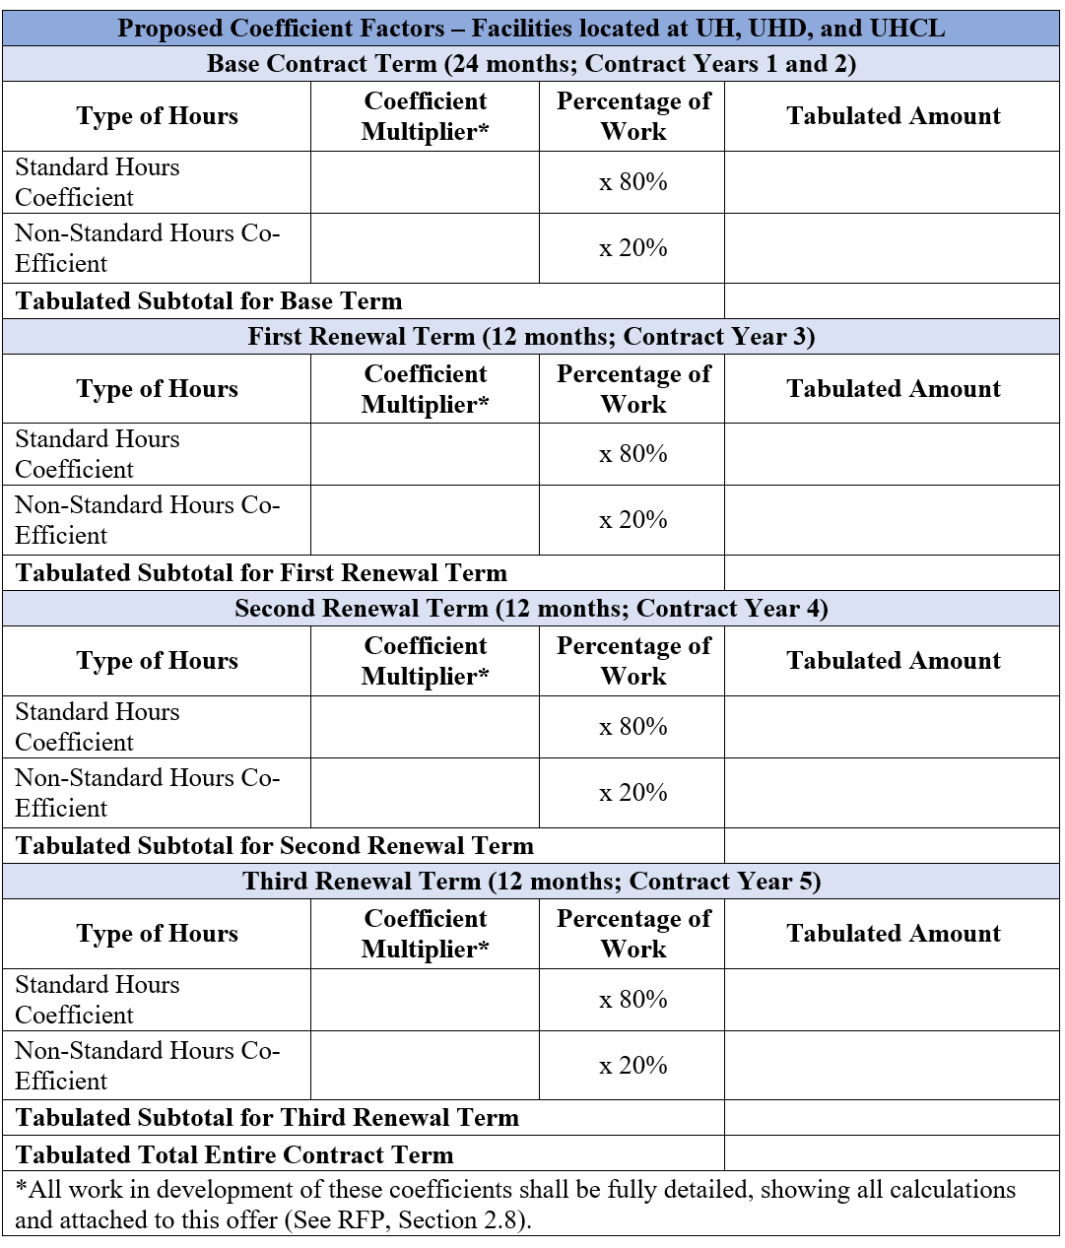
 |  | Years 1 & 2 (24 mths) |  |  |  | Year 3 (12 mths) |  |  |  | Year 4 (12 mths) |  |  |  | Year 5 (12 mths)
 |  | Normal | Non-Normal | NPPI |  | Normal | Non-Normal | NPPI |  | Normal | Non-Normal | NPPI |  | Normal | Non-Normal | NPPI |  | Final Score
 |  | 70% | 20% | 10% | Y1&2 Total | 70% | 20% | 10% | Y3 Total | 70% | 20% | 10% | Y4 Total | 70% | 20% | 10% | Y5 Total |  | Tabulated Total Entire Contract Term
Bidders |  |  |  |  |  |  |  |  |  |  |  |  |  |  |  |  |  |  |  | Points | Lowest cost | Score | Rank
American Renewable Energy | Coeff Multr | 1.22 | 1.85 | 1.15 |  | 1.29 | 1.92 | 1.15 |  | 1.31 | 1.94 | 1.15 |  | 1.33 | 1.96 | 1.15 |  | American Renewable Energy | 5.60 | 30.0 | $3.18 | 17.038756921 | 15
 | Tab Amnt | 0.85 | 0.37 | 0.11 | 1.34 | 0.90 | 0.38 | 0.11 | 1.40 | 0.92 | 0.39 | 0.11 | 1.42 | 0.93 | 0.39 | 0.11 | 1.44 | Amstar Inc | 4.78 |  |  | 19.941471572 | 8
Amstar Inc | Coeff Multr | 1.18 | 1.23 | 1.15 |  | 1.19 | 1.24 | 1.15 |  | 1.19 | 1.24 | 1.15 |  | 1.20 | 1.25 | 1.15 |  | CMC | 5.05 |  |  | 18.883610451 | 13
 | Tab Amnt | 0.83 | 0.25 | 0.11 | 1.19 | 0.83 | 0.25 | 0.11 | 1.20 | 0.83 | 0.25 | 0.11 | 1.20 | 0.84 | 0.25 | 0.11 | 1.20 | E3 | 8.15 |  |  | 11.711269335 | 17
CMC | Coeff Multr | 1.22 | 1.27 | 1.25 |  | 1.24 | 1.29 | 1.27 |  | 1.26 | 1.31 | 1.29 |  | 1.28 | 1.33 | 1.31 |  | FH Paschen SN Nielsen | 3.85 |  |  | 24.76635514 | 3
 | Tab Amnt | 0.85 | 0.25 | 0.13 | 1.23 | 0.87 | 0.26 | 0.13 | 1.25 | 0.88 | 0.26 | 0.13 | 1.27 | 0.90 | 0.27 | 0.13 | 1.29 | Jamail & Smith LLC | 4.67 |  |  | 20.450160772 | 6
E3 | Coeff Multr | 1.76 | 2.50 | 1.76 |  | 1.86 | 2.65 | 1.86 |  | 1.92 | 2.73 | 1.92 |  | 1.97 | 2.81 | 1.97 |  | JB YORK CONSTRUCTION | 4.44 |  |  | 21.486486486 | 4
 | Tab Amnt | 1.23 | 0.50 | 0.18 | 1.91 | 1.30 | 0.53 | 0.19 | 2.02 | 1.34 | 0.55 | 0.19 | 2.08 | 1.38 | 0.56 | 0.20 | 2.14 | JR Thomas Group Inc | 5.15 |  |  | 18.524271845 | 14
FH Paschen SN Nielsen | Coeff Multr | 0.93 | 0.96 | 1.20 |  | 0.93 | 0.96 | 1.20 |  | 0.93 | 0.96 | 1.20 |  | 0.93 | 0.96 | 1.20 |  | JT Vaughn Construction LLC | 4.72 |  |  | 20.229007634 | 7
 | Tab Amnt | 0.65 | 0.19 | 0.12 | 0.96 | 0.65 | 0.19 | 0.12 | 0.96 | 0.65 | 0.19 | 0.12 | 0.96 | 0.65 | 0.19 | 0.12 | 0.96 | Lee Construction | 4.63 |  |  | 20.622568093 | 5
Jamail & Smith LLC | Coeff Multr | 1.15 | 1.18 | 1.20 |  | 1.16 | 1.18 | 1.20 |  | 1.16 | 1.18 | 1.20 |  | 1.16 | 1.18 | 1.20 |  | METCO Engineering Inc | 3.18 |  |  | 30 | 1
 | Tab Amnt | 0.80 | 0.24 | 0.12 | 1.16 | 0.81 | 0.24 | 0.12 | 1.17 | 0.81 | 0.24 | 0.12 | 1.17 | 0.81 | 0.24 | 0.12 | 1.17 | Nash Industries Inc | 4.92 |  |  | 19.406021155 | 11
JB YORK CONSTRUCTION | Coeff Multr | 1.10 | 1.15 | 1.10 |  | 1.10 | 1.15 | 1.10 |  | 1.10 | 1.15 | 1.10 |  | 1.10 | 1.15 | 1.10 |  | NOBLE TEXAS BUILDERS | 5.01 |  |  | 19.034317638 | 12
 | Tab Amnt | 0.77 | 0.23 | 0.11 | 1.11 | 0.77 | 0.23 | 0.11 | 1.11 | 0.77 | 0.23 | 0.11 | 1.11 | 0.77 | 0.23 | 0.11 | 1.11 | SDB Inc | 3.68 |  |  | 25.945063911 | 2
JR Thomas Group Inc | Coeff Multr | 1.26 | 1.36 | 1.20 |  | 1.28 | 1.38 | 1.20 |  | 1.28 | 1.38 | 1.20 |  | 1.28 | 1.38 | 1.20 |  | SpawGlass Construction | 7.00 |  |  | 13.622733114 | 16
 | Tab Amnt | 0.88 | 0.27 | 0.12 | 1.27 | 0.90 | 0.28 | 0.12 | 1.29 | 0.90 | 0.28 | 0.12 | 1.29 | 0.90 | 0.28 | 0.12 | 1.29 | Tellepsen | 4.90 |  |  | 19.469387755 | 10
JT Vaughn Construction LLC | Coeff Multr | 1.16 | 1.21 | 1.16 |  | 1.17 | 1.22 | 1.16 |  | 1.17 | 1.22 | 1.16 |  | 1.18 | 1.23 | 1.16 |  | The Trevino Group | 4.84 |  |  | 19.710743802 | 9
 | Tab Amnt | 0.81 | 0.24 | 0.12 | 1.17 | 0.82 | 0.24 | 0.12 | 1.18 | 0.82 | 0.24 | 0.12 | 1.18 | 0.83 | 0.25 | 0.12 | 1.19
Lee Construction | Coeff Multr | 1.12 | 1.17 | 1.25 |  | 1.12 | 1.17 | 1.25 |  | 1.15 | 1.20 | 1.25 |  | 1.15 | 1.20 | 1.25
 | Tab Amnt | 0.78 | 0.23 | 0.13 | 1.14 | 0.78 | 0.23 | 0.13 | 1.14 | 0.80 | 0.24 | 0.13 | 1.17 | 0.80 | 0.24 | 0.13 | 1.17
METCO Engineering Inc | Coeff Multr | 0.74 | 0.89 | 0.99 |  | 0.74 | 0.89 | 0.99 |  | 0.74 | 0.89 | 0.99 |  | 0.74 | 0.89 | 0.99
 | Tab Amnt | 0.52 | 0.18 | 0.10 | 0.80 | 0.52 | 0.18 | 0.10 | 0.80 | 0.52 | 0.18 | 0.10 | 0.80 | 0.52 | 0.18 | 0.10 | 0.80
Nash Industries Inc | Coeff Multr | 1.18 | 1.28 | 1.20 |  | 1.21 | 1.31 | 1.20 |  | 1.22 | 1.32 | 1.20 |  | 1.23 | 1.33 | 1.20
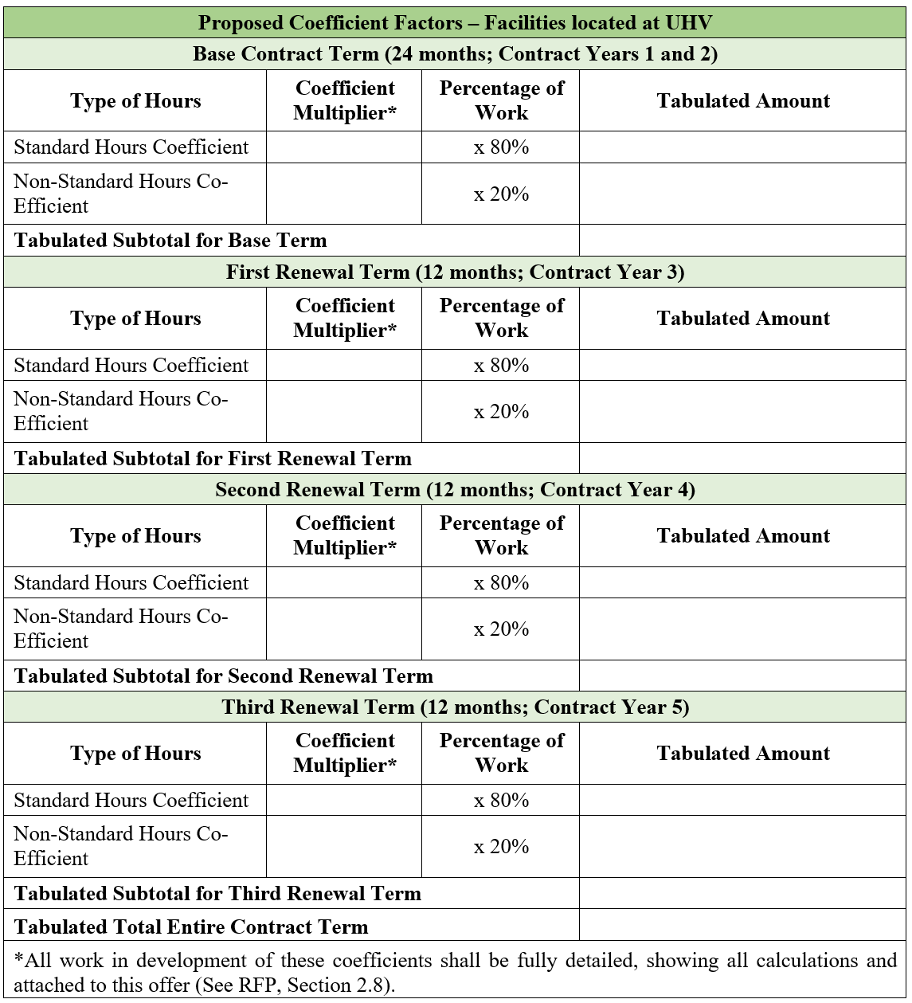
 | Tab Amnt | 0.83 | 0.26 | 0.12 | 1.20 | 0.85 | 0.26 | 0.12 | 1.23 | 0.85 | 0.26 | 0.12 | 1.24 | 0.86 | 0.27 | 0.12 | 1.25
NOBLE TEXAS BUILDERS | Coeff Multr | 1.24 | 1.28 | 1.29 |  | 1.24 | 1.28 | 1.29 |  | 1.24 | 1.28 | 1.29 |  | 1.24 | 1.28 | 1.29
 | Tab Amnt | 0.87 | 0.26 | 0.13 | 1.25 | 0.87 | 0.26 | 0.13 | 1.25 | 0.87 | 0.26 | 0.13 | 1.25 | 0.87 | 0.26 | 0.13 | 1.25
SDB Inc | Coeff Multr | 0.88 | 0.93 | 1.15 |  | 0.88 | 0.93 | 1.15 |  | 0.88 | 0.93 | 1.15 |  | 0.89 | 0.94 | 1.15
 | Tab Amnt | 0.62 | 0.19 | 0.11 | 0.92 | 0.62 | 0.19 | 0.11 | 0.92 | 0.62 | 0.19 | 0.11 | 0.92 | 0.62 | 0.19 | 0.11 | 0.93
SpawGlass Construction | Coeff Multr | 1.76 | 1.98 | 1.34 |  | 1.75 | 1.97 | 1.34 |  | 1.74 | 1.96 | 1.34 |  | 1.74 | 1.96 | 1.34
 | Tab Amnt | 1.23 | 0.40 | 0.13 | 1.76 | 1.22 | 0.39 | 0.13 | 1.75 | 1.22 | 0.39 | 0.13 | 1.74 | 1.22 | 0.39 | 0.13 | 1.74
Tellepsen | Coeff Multr | 1.23 | 1.27 | 1.10 |  | 1.23 | 1.27 | 1.10 |  | 1.23 | 1.27 | 1.10 |  | 1.23 | 1.27 | 1.10
 | Tab Amnt | 0.86 | 0.25 | 0.11 | 1.23 | 0.86 | 0.25 | 0.11 | 1.23 | 0.86 | 0.25 | 0.11 | 1.23 | 0.86 | 0.25 | 0.11 | 1.23
The Trevino Group | Coeff Multr | 1.20 | 1.25 | 1.20 |  | 1.20 | 1.25 | 1.20 |  | 1.20 | 1.25 | 1.20 |  | 1.20 | 1.25 | 1.20
 | Tab Amnt | 0.84 | 0.25 | 0.12 | 1.21 | 0.84 | 0.25 | 0.12 | 1.21 | 0.84 | 0.25 | 0.12 | 1.21 | 0.84 | 0.25 | 0.12 | 1.21

Evaluation
Instructions:
Review Non-Disclosure before evaluating below.
Enter name.
Review all bid responses distributed by the Buyer.
Once reviewed, enter points for the vendor in the yellow highlighted cells.
Send completed matrix in Excel format back to the buyer.
Committee members must score independently.
5.0 to 4.5 = Exceptional, exceeds and fully meets all requirements
4.4 to 3.5 = Advantageous, exceeds some requirements
3.4 to 2.5 = Meets minimal requirements
2.4 to 1.5 = Addresses most of the minimal requirements
1.4 to 1.0 = Addresses part of minimal requirements
University of Houston Evaluation Matrix $1 Million+
RFPCSP-730-UofH-3064 Job Order Contracting Services FY26
Name
Evaluation Due Date | 2/11/2026 @ 12:00 PM CT Noon
Non Disclosure Agreement
 | By initialing, I agree that I have read and understood the Non Disclosure Agreement.
Nepotism Agreement
 | By initialing, I agree that I have read and understood the Nepotism Agreement and have completed the Disclosure Statement form (Part 1: General Information & Part 2: Disclosures).

 | Criteria 1 | Criteria 2 | Criteria 3 | Criteria 4 | Criteria 5
 | Respondent’s Pricing and Delivery Proposal **ONLY PURCHASING WILL EVALUATE COST - EVERYONE ELSE LEAVE BLANK** | Respondent Qualifications | Job Order Contracting Qualifications | Management Approach | Safety Record Supported by Accurate and Verifiable Data
 | Points (1-5) | Points (1-5) | Points (1-5) | Points (1-5) | Points (1-5)
American Renewable Energy
Amstar Inc
CMC
E3
FH Paschen SN Nielsen
Jamail & Smith LLC
JB YORK CONSTRUCTION
JR Thomas Group Inc
JT Vaughn Construction LLC
Lee Construction
METCO Engineering Inc
Nash Industries Inc
NOBLE TEXAS BUILDERS
SDB Inc
SpawGlass Construction
Tellepsen
The Trevino Group

Updated: 10/19

